summary
Historical View — Complete Days Through 06-Jul-2026 |  |  |  |  |  |  |  |  |  | Live View — As Of 07-Jul-2026 13:22

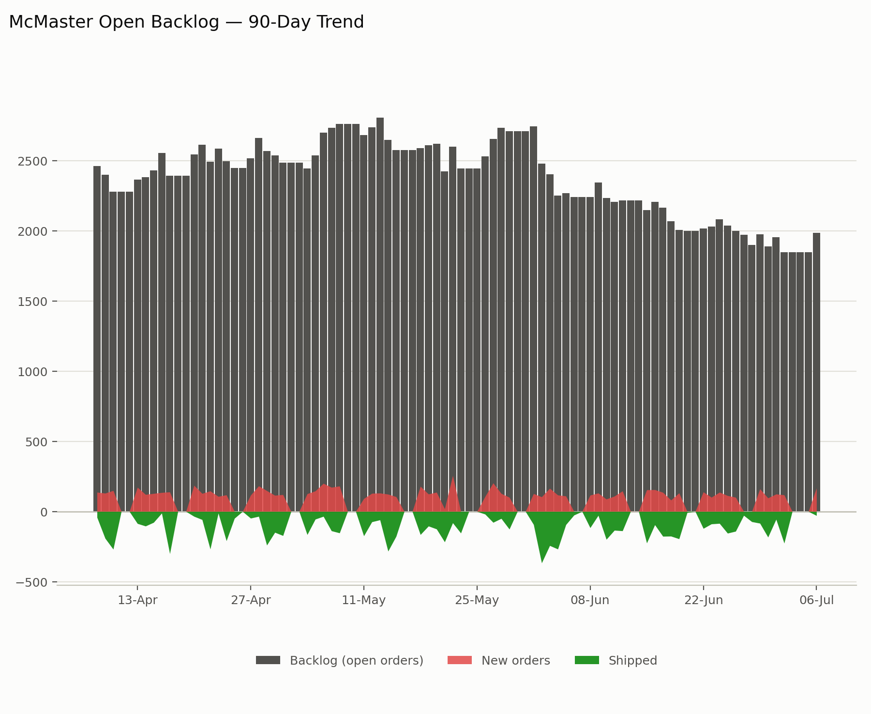
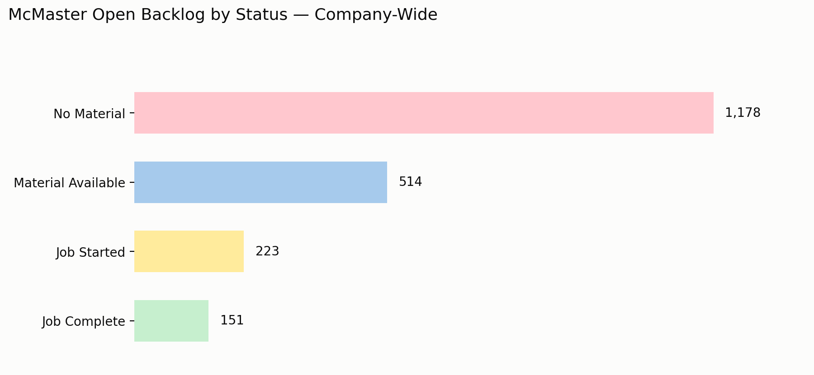
 |  |  |  |  |  |  |  |  |  |  |  |  |  |  |  | Angleo list
 |  |  |  |  |  |  |  |  |  |  |  |  |  |  |  | Bridge
 |  |  |  |  |  |  |  |  |  |  |  |  |  |  |  | Clark
 |  |  |  |  |  |  |  |  |  |  |  |  |  |  |  | Carlos
 |  |  |  |  |  |  |  |  |  |  |  |  |  |  |  | Add Tony

 |  |  |  |  |  |  |  |  |  |  |  |  |  |  |  | 10 CST
 |  |  |  |  |  |  |  |  |  |  |  |  |  |  |  | 9 CST

 |  |  |  |  |  |  |  |  |  |  |  |  |  |  |  | Jeurg
 |  |  |  |  |  |  |  |  |  |  |  |  |  |  |  | Vendor breakdown - which vendors to focus on
 |  |  |  |  |  |  |  |  |  |  |  |  |  |  |  | $ breakdown under open backlog

 |  |  |  |  |  |  |  |  |  |  |  |  |  |  |  | Backlog Target - 1500

 |  |  |  |  |  |  |  |  |  | org | No Material | Material Available | Job Started | Job Complete | Total
 |  |  |  |  |  |  |  |  |  | ATL | 62 | 9 | 32 | 9 | 112
 |  |  |  |  |  |  |  |  |  | CLE | 557 | 87 | 58 | 46 | 748
 |  |  |  |  |  |  |  |  |  | DAL | 1 | 2 | - | 4 | 7
 |  |  |  |  |  |  |  |  |  | JVL | 485 | 307 | 131 | 79 | 1,002
 |  |  |  |  |  |  |  |  |  | LOS | 44 | 92 | 2 | 4 | 142
 |  |  |  |  |  |  |  |  |  | WIE | 29 | 17 | - | 9 | 55
 |  |  |  |  |  |  |  |  |  | Total | 1,178 | 514 | 223 | 151 | 2,066

 |  | Tue | Wed | Thu | Fri | Sat | Sun | Mon
org | metric | 2026-06-30 | 2026-07-01 | 2026-07-02 | 2026-07-03 | 2026-07-04 | 2026-07-05 | 2026-07-06 | 5-day MA
ATL | backlog | 74 | 71 | 63 | 63 | 63 | 63 | 75 | 71
 | new | 11 | 16 | 16 | - | - | - | 20 | 16
 | shipped | 23 | 19 | 24 | - | - | - | 8 | 19
CLE | backlog | 717 | 744 | 680 | 680 | 680 | 680 | 717 | 715
 | new | 40 | 34 | 36 | - | - | - | 44 | 39
 | shipped | 152 | 7 | 100 | - | - | - | 7 | 67
DAL | backlog | 5 | 5 | 6 | 6 | 6 | 6 | 5 | 5
 | new | 1 | 1 | 1 | - | - | - | - | 1
 | shipped | 2 | 1 | - | - | - | - | 1 | 1
JVL | backlog | 860 | 889 | 927 | 927 | 927 | 927 | 1,001 | 919
 | new | 26 | 45 | 48 | - | - | - | 80 | 50
 | shipped | - | 16 | 10 | - | - | - | 6 | 8
LOS | backlog | 113 | 128 | 125 | 125 | 125 | 125 | 134 | 125
 | new | 12 | 22 | 11 | - | - | - | 16 | 15
 | shipped | 3 | 7 | 14 | - | - | - | 7 | 8
WIE | backlog | 119 | 119 | 47 | 47 | 47 | 47 | 54 | 85
 | new | 6 | 6 | 6 | - | - | - | 7 | 6
 | shipped | 3 | 6 | 78 | - | - | - | - | 22
Total | backlog | 1,888 | 1,956 | 1,848 | 1,848 | 1,848 | 1,848 | 1,986 | 1,920
 | new | 96 | 124 | 118 | - | - | - | 167 | 126
 | shipped | 183 | 56 | 226 | - | - | - | 29 | 124

